Sheet1
$$R^{2}GA$$
$$R^{2}GA$$
When makespan is limited |  |  |  |  |  |  |  |  |  |  |  |  |  |  | HGA |  |  | NGA |  |  | LWSGA |  |  | DE |  |  | GWO |  |  | TMGA
 | algorithm |  |  | HGA | NGA | LWSGA | DE | GWO | TMGA |  |  | max | min | ave | max | min | ave | max | min | ave | max | min | ave | max | min | ave | max | min | ave | max | min | ave
Limited values | case |  | st | st | st | st | st | st | st | Epigenomics | 24 | 0.41791272163 | 0.10967540741 | 0.28054983616 | 1.2376899719 | 0.77293181419 | 0.98915734291 | 0.25032949448 | 0.19448113441 | 0.21512553692 | 81.037184715 | 0.13561058044 | 17.085491204 | 2.0246112347 | 0.18946266174 | 0.99134774208 | 0.85172247887 | 0.20049166679 | 0.47203729153 | 0.85172247887 | 0.20049166679 | 0.47203729153
2487.797 | Epigenomics | 24 | 0.36599183083 | 0.80084848404 | 0.22041296959 | 81.037184715 | 0.47974586487 | 0.85172247887 | 0.13065099716 | Epigenomics | 100 | 0.60637807846 | 0.54451322556 | 0.57834956646 | 516.86233377 | 10.45603013 | 65.205465388 | 1.8021695614 | 1.6047072411 | 1.6928756475 | 0.66522026062 | 0.56249213219 | 0.63041267395 | 906.14595509 | 32.201856136 | 348.43828759 | 6.2442653179 | 1.732396841 | 4.6173509598 | 6.2442653179 | 1.732396841 | 4.6173509598
 | Epigenomics | 24 | 0.3949444294 | 1.1010813713 | 0.21838569641 | 12.739918947 | 1.1658775806 | 0.45381522179 | 0.14312553406 | Epigenomics | 997 | 30.311883926 | 29.228809595 | 29.699051523 | 5658.4100764 | 2206.7496896 | 3603.9530125 | 125.29684377 | 120.97640443 | 123.27532716 | 28.616448402 | 27.936294079 | 28.281045914 | 42.998944759 | 42.019593 | 42.513269949 | 22013.177174 | 44.047196865 | 17476.374484 | 22013.177174 | 44.047196865 | 17476.374484
 | Epigenomics | 24 | 0.41791272163 | 1.2376899719 | 0.19450712204 | 0.59344053268 | 1.9617555141 | 0.52955341339 | 0.14261841774 | Ligo | 30 | 0.11568951607 | 0.10671377182 | 0.11129932404 | 1.0392479897 | 0.40092897415 | 0.79716756344 | 0.27925276756 | 0.24534368515 | 0.25920650959 | 214.02446103 | 0.1336414814 | 73.53737905 | 10.709350348 | 0.71508693695 | 4.4872957706 | 4.5647904873 | 0.16156721115 | 1.9514795542 | 4.5647904873 | 0.16156721115 | 1.9514795542
 | Epigenomics | 24 | 0.10967540741 | 0.88961935043 | 0.22739243507 | 21.79569602 | 0.18946266174 | 0.36402702332 | 0.15615510941 | Ligo | 100 | 0.56152653694 | 0.51958036423 | 0.53696360588 | 7.1309227943 | 4.8669803143 | 5.7445325613 | 1.553842783 | 1.4830315113 | 1.5036774874 | 370.45399332 | 0.63028550148 | 68.460360813 | 846.92035556 | 0.7609629631 | 372.13380208 | 12.687060356 | 4.6954388618 | 7.6452451468 | 12.687060356 | 4.6954388618 | 7.6452451468
 | Epigenomics | 24 | 0.23437333107 | 0.89158725739 | 0.22340226173 | 5.9790036678 | 2.0246112347 | 0.20049166679 | 0.1386282444 | Ligo | 1000 | 26.937938213 | 26.322611809 | 26.549377465 | 41.778237104 | 41.002342939 | 41.442636061 | 114.98739576 | 113.69188929 | 114.39887006 | 27.420646429 | 26.66367054 | 26.959879327 | 38.40426302 | 37.606397629 | 37.998649168 | 39.673867226 | 38.581789732 | 39.148971987 | 39.673867226 | 38.581789732 | 39.148971987
 | Epigenomics | 24 | 0.25930643082 | 1.0213124752 | 0.21443033218 | 9.4596674442 | 0.28022265434 | 0.35305738449 | 0.12897849083 | Montage | 25 | 0.14261889458 | 0.084774017334 | 0.1166877985 | 0.31019997597 | 0.16059970856 | 0.26479148865 | 0.26027488708 | 0.22938609123 | 0.2390610218 | 491.24087429 | 0.5624961853 | 94.087604833 | 0.72306466103 | 0.21143579483 | 0.51242897511 | 0.77492809296 | 0.13862848282 | 0.33191204071 | 0.77492809296 | 0.13862848282 | 0.33191204071
 | Epigenomics | 24 | 0.27326917648 | 0.85371565819 | 0.20345854759 | 0.19849634171 | 0.87166857719 | 0.54949998856 | 0.15113759041 | Montage | 100 | 0.63131093979 | 0.56548714638 | 0.59411070347 | 1.549854517 | 0.86468648911 | 1.2931408405 | 1.7353589535 | 1.6386156082 | 1.6897797823 | 491.43435526 | 0.5674803257 | 151.84779072 | 3.0967159271 | 1.6884832382 | 2.5067945957 | 3.6512317657 | 0.77991390228 | 2.1464580536 | 3.6512317657 | 0.77991390228 | 2.1464580536
 | Epigenomics | 24 | 0.28822875023 | 1.1568775177 | 0.25032949448 | 1.3304390907 | 1.1429421902 | 0.29720425606 | 0.1496052742 | Montage | 1000 | 30.660978556 | 29.78831315 | 30.12840302 | 41.909884214 | 41.043205738 | 41.537781525 | 125.48930168 | 123.65919852 | 124.68206394 | 28.419972658 | 27.749766588 | 28.10002625 | 43.592386246 | 41.706431866 | 43.119151425 | 44.849024296 | 43.918512344 | 44.423960781 | 44.849024296 | 43.918512344 | 44.423960781
 | Epigenomics | 24 | 0.32515907288 | 0.77293181419 | 0.19448113441 | 0.13561058044 | 1.0173060894 | 0.83277344704 | 0.145611763
 | Epigenomics | 24 | 0.13663721085 | 1.1659095287 | 0.20445537567 | 37.585454702 | 0.77988505363 | 0.28822803497 | 0.17054247856
$$R^{2}GA$$
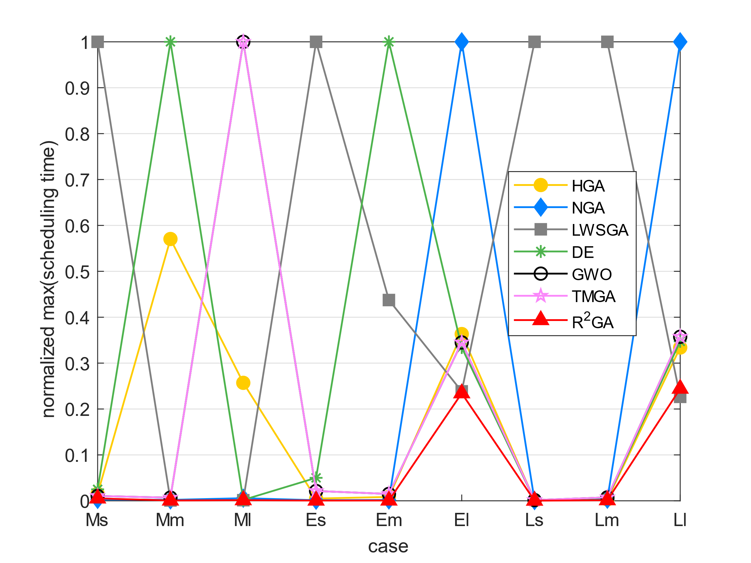
45547.45 | Epigenomics | 100 | 0.58643460274 | 11.362603426 | 1.7373828888 | 0.62927651405 | 32.201856136 | 4.7912149429 | 0.94421744347 | max_norm_st |  |  | HGA | NGA | LWSGA | DE | GWO | TMGA |  |  |  |  |  |  | HGA | NGA | LWSGA | DE | GWO | TMGA
 | Epigenomics | 100 | 0.57844901085 | 516.86233377 | 1.6655151844 | 0.65228223801 | 433.54219723 | 6.2442653179 | 0.86169457436 | Epigenomics | 24 | 0.0051570488672 | 0.015273111674 | 0.0030890694853 | 1 | 0.024983731133 | 0.010510267377 | 0.010510267377 |  |  |  |  |  |  | 0.7163749143 | -0.23320027606 | 0.98357964469 | 0.7170015886 | 0.40566171107 | 0.40566171107
 | Epigenomics | 100 | 0.54451322556 | 15.798766375 | 1.6526112556 | 0.64624285698 | 218.13945031 | 4.9148511887 | 0.85570764542 | Epigenomics | 100 | 0.00066918367296 | 0.57039633723 | 0.0019888292292 | 0.00073412043268 | 1 | 0.006891014944 | 0.006891014944 |  |  |  |  |  |  | 0.99113035137 | 0.65836264034 | 0.08258575635 | 0.99834016643 | 0.87474429137 | 0.87474429137
 | Epigenomics | 100 | 0.59042072296 | 13.887845039 | 1.6515500546 | 0.63832211494 | 120.13462639 | 4.4919829369 | 0.90352320671 | Epigenomics | 997 | 0.0013769881416 | 0.25704649682 | 0.0056919018449 | 0.001299969022 | 0.0019533275192 | 1 | 1 |  |  |  |  |  |  | 0.99175931223 | 0.75908357164 | -0.047745821391 | 0.30141690915 | 0.99830061712 | 0.99830061712
 | Epigenomics | 100 | 0.56850767136 | 15.396814346 | 1.6146812439 | 0.64624190331 | 245.27389312 | 5.803507328 | 0.86023664474 | Ligo | 30 | 0.00054054342906 | 0.0048557439867 | 0.0013047703343 | 1 | 0.050037973678 | 0.021328358755 | 0.021328358755 |  |  |  |  |  |  | 0.86038151934 | 0.57061524338 | 0.99848649319 | 0.97519679341 | 0.94296669735 | 0.94296669735
 | Epigenomics | 100 | 0.55153179169 | 11.832320213 | 1.6865231991 | 0.62436127663 | 906.14595509 | 5.3736212254 | 0.91045236588 | Ligo | 100 | 0.00066302165635 | 0.0084198269029 | 0.0018346976463 | 0.43741302342 | 1 | 0.014980228392 | 0.014980228392 |  |  |  |  |  |  | 0.90652614462 | 0.64289975052 | 0.99215657646 | 0.99855706844 | 0.92976502446 | 0.92976502446
 | Epigenomics | 100 | 0.57844853401 | 16.371234417 | 1.8021695614 | 0.56249213219 | 372.99023628 | 5.3955388069 | 0.90797042847 | Ligo | 1000 | 0.23426861731 | 0.36332883989 | 1 | 0.23846654015 | 0.33398671885 | 0.34502796556 | 0.34502796556 |  |  |  |  |  |  | 0.35937044578 | 0.76792272991 | 0.01522639833 | 0.30130733469 | 0.32183717431 | 0.32183717431
 | Epigenomics | 100 | 0.60637807846 | 22.955562353 | 1.7213971615 | 0.62632513046 | 597.73795485 | 1.732396841 | 0.92353105545 | Montage | 25 | 0.00029032375366 | 0.00063146206312 | 0.00052983149552 | 1 | 0.0014719146937 | 0.0015774910711 | 0.0015774910711 |  |  |  |  |  |  | 0.55932194386 | 0.51189115809 | 0.99875979627 | 0.7722849328 | 0.6484375853 | 0.6484375853
 | Epigenomics | 100 | 0.58041214943 | 17.131143808 | 1.6047072411 | 0.66522026062 | 150.81355619 | 3.9494318962 | 0.91255474091 | Montage | 100 | 0.0012846292349 | 0.0031537366088 | 0.0035312121241 | 1 | 0.0063013826648 | 0.0074297446377 | 0.0074297446377 |  |  |  |  |  |  | 0.54056767457 | 0.64840939056 | 0.99608745902 | 0.7629998467 | 0.72321345741 | 0.72321345741
 | Epigenomics | 100 | 0.59839987755 | 10.45603013 | 1.7922186852 | 0.61336231232 | 407.40315032 | 3.4766991138 | 0.99286770821 | Montage | 1000 | 0.24433141427 | 0.33397177013 | 1 | 0.22647327125 | 0.34737930375 | 0.35739320958 | 0.35739320958 |  |  |  |  |  |  | 0.27467471988 | 0.75835816261 | -0.067324403775 | 0.30127560437 | 0.32179836084 | 0.32179836084
581567.257 | Epigenomics | 997 | 29.228809595 | 3575.7903507 | 122.82542801 | 28.089827538 | 42.237970114 | 21825.339733 | 65.301043987 |  |  |  |  |  |  |  |  |  |  |  |  |  |  |  | 0.68890078066 | 0.56492693011 | 0.55020132213 | 0.68093113829 | 0.68519165769 | 0.68519165769
$$R^{2}GA$$
 | Epigenomics | 997 | 29.575908422 | 2206.7496896 | 122.26296043 | 28.230480194 | 42.406587362 | 22013.177174 | 62.174615383 | min_norm_st |  |  | HGA | NGA | LWSGA | DE | GWO | TMGA
 | Epigenomics | 997 | 29.537955284 | 5432.4855046 | 121.95572639 | 28.48180747 | 42.476382017 | 17050.276576 | 61.919415474 | Epigenomics | 24 | 0.14189532038 | 1 | 0.25161486543 | 0.17544960364 | 0.24512209003 | 0.25939114306 | 0.25939114306
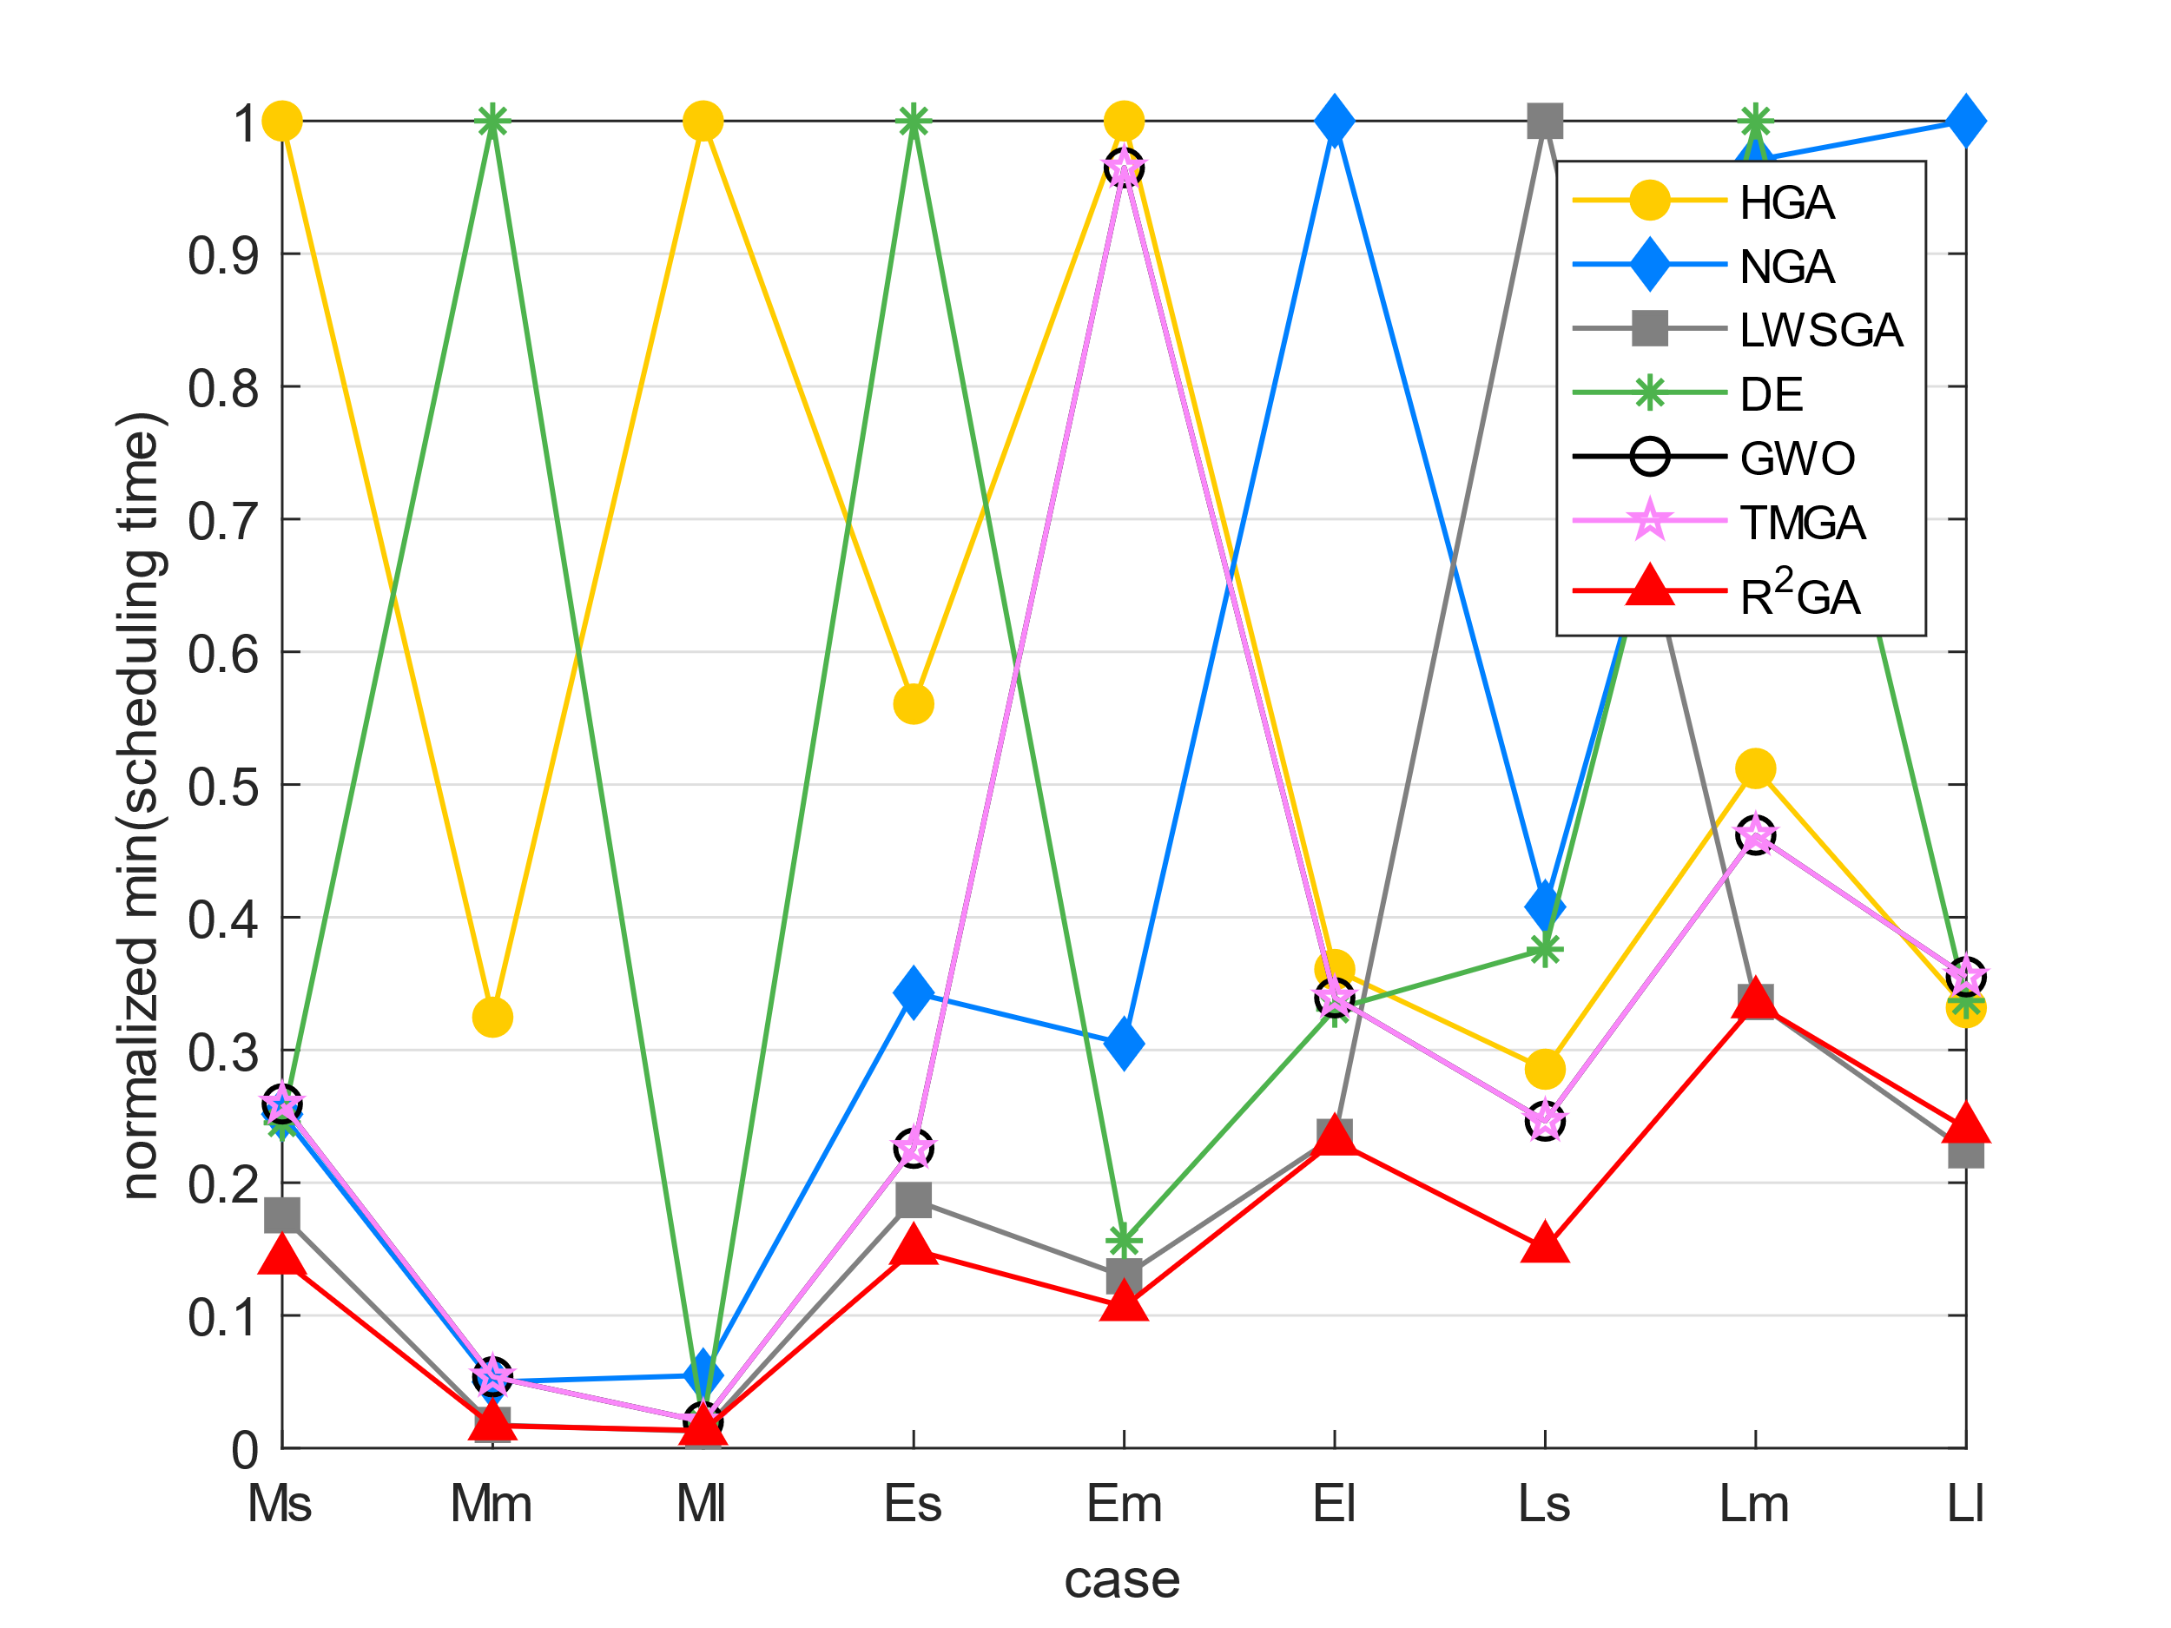
 | Epigenomics | 997 | 29.684589148 | 3366.2110064 | 120.97640443 | 28.17064023 | 42.98201561 | 14770.934023 | 61.814962626 | Epigenomics | 100 | 0.016909373896 | 0.32470271546 | 0.049832756046 | 0.01746769285 | 1 | 0.053798042998 | 0.053798042998
 | Epigenomics | 997 | 29.421323299 | 2456.7857883 | 122.3237679 | 28.616448402 | 42.998944759 | 44.047196865 | 64.66892314 | Epigenomics | 997 | 0.013245185774 | 1 | 0.05482108143 | 0.012659475703 | 0.019041395224 | 0.01996021437 | 0.01996021437
 | Epigenomics | 997 | 29.582834244 | 3503.8198779 | 123.69909096 | 28.537659168 | 42.019593 | 17541.235114 | 60.695763826 | Ligo | 30 | 0.14923188539 | 0.56067165184 | 0.34309630406 | 0.186888439 | 1 | 0.22594065533 | 0.22594065533
 | Epigenomics | 997 | 29.894058466 | 2464.2658327 | 124.82405186 | 27.936294079 | 42.42750144 | 20775.391598 | 61.582733631 | Ligo | 100 | 0.1067562083 | 1 | 0.30471286415 | 0.1295023733 | 0.15635217609 | 0.96475402789 | 0.96475402789
 | Epigenomics | 997 | 29.748419285 | 2322.0163112 | 124.54582644 | 28.3820467 | 42.533218622 | 20978.917311 | 60.990865946 | Ligo | 1000 | 0.23152585443 | 0.36064439774 | 1 | 0.23452570546 | 0.33077467412 | 0.33935393258 | 0.33935393258
 | Epigenomics | 997 | 30.311883926 | 5052.995687 | 125.29684377 | 28.355146646 | 42.556185007 | 21227.05867 | 61.466165304 | Montage | 25 | 0.15071038622 | 0.28551252925 | 0.4078002611 | 1 | 0.37588840663 | 0.24645230748 | 0.24645230748
 | Epigenomics | 997 | 30.004733562 | 5658.4100764 | 124.04317141 | 28.010108709 | 42.494301558 | 18537.36744 | 60.87237668 | Montage | 100 | 0.33490835655 | 0.51210842343 | 0.97046602011 | 0.33608881205 | 1 | 0.46190206964 | 0.46190206964
777.237 | Ligo | 30 | 0.11469364166 | 1.0063090324 | 0.24534368515 | 9.2622227669 | 7.8749334812 | 1.5877530575 | 0.18251109123 | Montage | 1000 | 0.24089039478 | 0.33190580425 | 1 | 0.22440519524 | 0.33726914264 | 0.35515766614 | 0.35515766614
 | Ligo | 30 | 0.1136944294 | 0.41588592529 | 0.27925276756 | 0.1336414814 | 0.80783891678 | 0.63829278946 | 0.18251276016
$$R^{2}GA$$
 | Ligo | 30 | 0.11568951607 | 0.99733281136 | 0.24833464622 | 85.460385084 | 10.709350348 | 1.645595789 | 0.17553067207 | average_norm_st |  |  | HGA | NGA | LWSGA | DE | GWO | TMGA
 | Ligo | 30 | 0.11269879341 | 0.88263821602 | 0.24836421013 | 30.315901518 | 1.7772452831 | 2.0784413815 | 0.16755151749 | Epigenomics | 24 | 0.016420355306 | 0.057894580325 | 0.012591123916 | 1 | 0.058022782619 | 0.027627961402 | 0.027627961402
 | Ligo | 30 | 0.11369585991 | 0.88662815094 | 0.26925110817 | 145.83686781 | 1.8769803047 | 2.5641391277 | 0.17253994942 | Epigenomics | 100 | 0.001659833569 | 0.18713633866 | 0.0048584662129 | 0.0018092520151 | 1 | 0.013251560245 | 0.013251560245
 | Ligo | 30 | 0.10771155357 | 0.40092897415 | 0.25033187866 | 2.6040341854 | 3.0159323215 | 3.2303595543 | 0.16693401337 | Epigenomics | 997 | 0.0016993828755 | 0.2062185733 | 0.007053827284 | 0.0016182444443 | 0.0024326138118 | 1 | 1
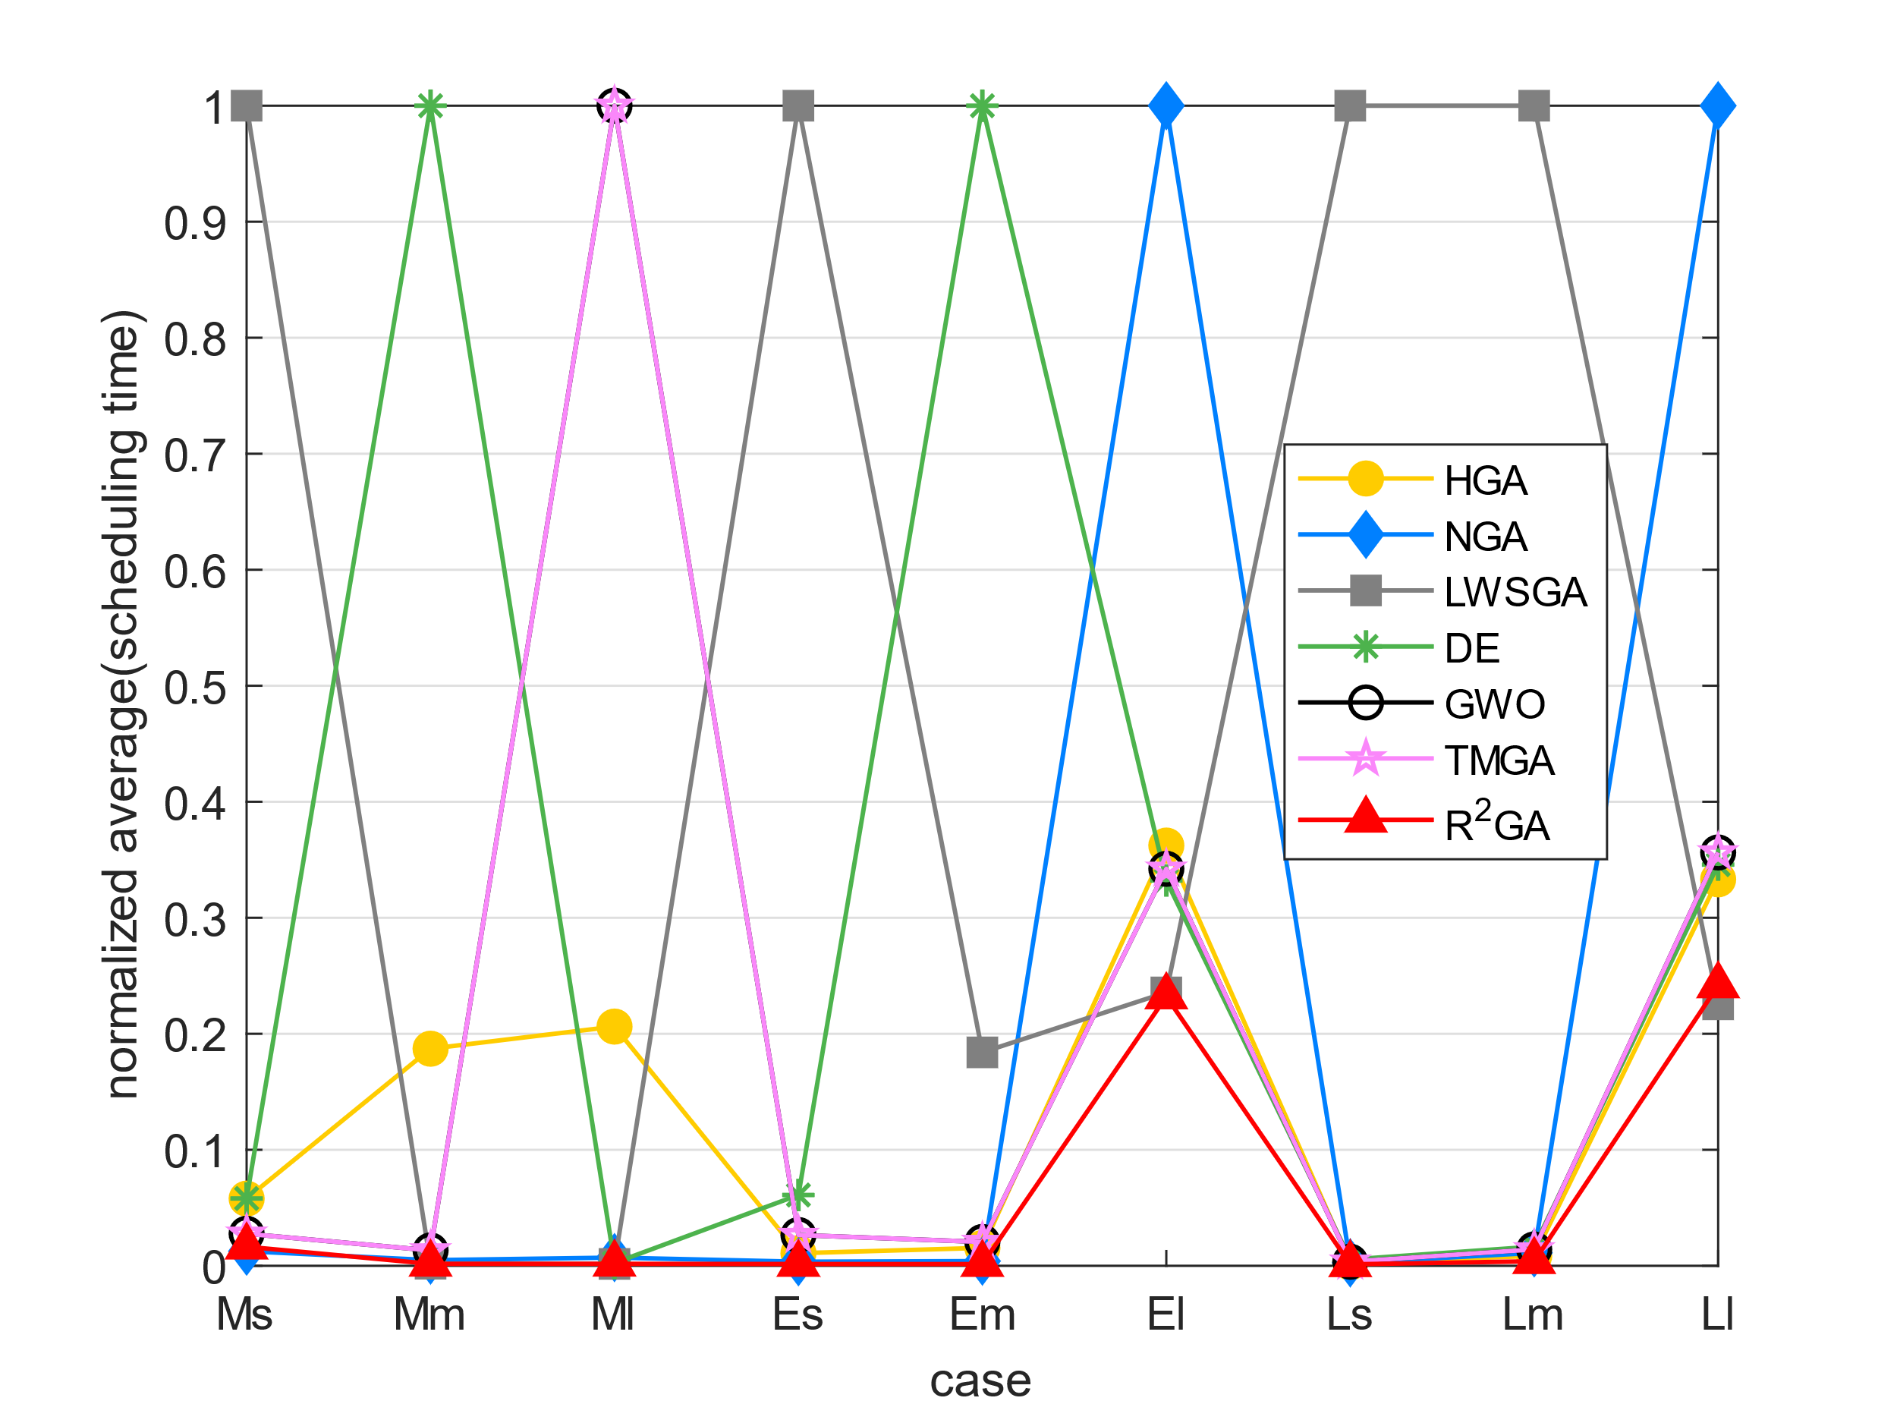
 | Ligo | 30 | 0.11369657516 | 0.79088401794 | 0.25332188606 | 214.02446103 | 3.2622714043 | 1.7234191895 | 0.17011618614 | Ligo | 30 | 0.0015135068107 | 0.010840304261 | 0.0035248265975 | 1 | 0.061020610587 | 0.026537246491 | 0.026537246491
 | Ligo | 30 | 0.10768461227 | 0.87366175652 | 0.26429319382 | 20.522101164 | 0.71508693695 | 1.3204369545 | 0.16755342484 | Ligo | 100 | 0.0014429315555 | 0.015436739499 | 0.0040406904156 | 0.18396705817 | 1 | 0.020544344814 | 0.020544344814
 | Ligo | 30 | 0.10671448708 | 1.0392479897 | 0.27227163315 | 201.88194227 | 7.1668276787 | 4.5647904873 | 0.16056919098 | Ligo | 1000 | 0.23207727009 | 0.36226438284 | 1 | 0.23566560852 | 0.33215930496 | 0.34221467367 | 0.34221467367
 | Ligo | 30 | 0.10671377182 | 0.67815876007 | 0.26130008698 | 25.332233191 | 7.6664910316 | 0.16156721115 | 0.15960168839 | Montage | 25 | 0.0012402037304 | 0.0028143078902 | 0.0025408343876 | 1 | 0.0054462963109 | 0.0035276914669 | 0.0035276914669
2357.118 | Ligo | 100 | 0.56152653694 | 5.4624145031 | 1.5109586716 | 0.64228248596 | 0.7609629631 | 5.0384905338 | 0.86665534973 | Montage | 100 | 0.0039125409771 | 0.0085160332884 | 0.011128115689 | 1 | 0.01650860104 | 0.014135589615 | 0.014135589615
 | Ligo | 100 | 0.51958036423 | 5.8553087711 | 1.5059707165 | 1.8251171112 | 184.5941906 | 10.031167269 | 0.81880950928 | Montage | 1000 | 0.24164183739 | 0.33314961441 | 1 | 0.22537344476 | 0.34583283324 | 0.35629792593 | 0.35629792593
 | Ligo | 100 | 0.53955769539 | 5.3995547295 | 1.494004488 | 251.52015471 | 624.3118937 | 12.687060356 | 0.87572908401
 | Ligo | 100 | 0.5485329628 | 6.454734087 | 1.5209319592 | 19.298376083 | 651.34457731 | 6.5045979023 | 0.84371852875
 | Ligo | 100 | 0.52160429955 | 7.1309227943 | 1.553842783 | 16.908765316 | 94.340627909 | 6.4248147011 | 0.83277535439
 | Ligo | 100 | 0.52060627937 | 5.4334645271 | 1.493005991 | 15.84863162 | 439.20709848 | 4.6954388618 | 0.79688692093
 | Ligo | 100 | 0.55351924896 | 4.8669803143 | 1.5039756298 | 0.63028550148 | 627.57414031 | 7.3712799549 | 0.82339143753
 | Ligo | 100 | 0.52559542656 | 5.9909744263 | 1.4870233536 | 5.6628527641 | 232.46915221 | 8.4922833443 | 0.8806142807
 | Ligo | 100 | 0.53157806396 | 5.9740190506 | 1.4830315113 | 1.8131492138 | 846.92035556 | 8.2269906998 | 0.83767080307
 | Ligo | 100 | 0.54753518105 | 4.8769524097 | 1.4840297699 | 370.45399332 | 19.815021753 | 6.9803278446 | 0.84093546867
71771.596 | Ligo | 1000 | 26.937938213 | 41.698451519 | 114.98739576 | 27.164332151 | 37.606397629 | 38.581789732 | 62.87122345
 | Ligo | 1000 | 26.322611809 | 41.039215565 | 114.90464497 | 27.420646429 | 37.676212788 | 38.819153309 | 62.826025486
 | Ligo | 1000 | 26.604800701 | 41.339411497 | 114.33810496 | 26.913033247 | 38.132988453 | 38.947809696 | 63.780221701
 | Ligo | 1000 | 26.438275576 | 41.702441454 | 114.86774302 | 26.718497515 | 37.967432737 | 39.324802637 | 63.569155693
 | Ligo | 1000 | 26.556956768 | 41.091076136 | 114.42487288 | 27.227164268 | 38.113044262 | 39.306849957 | 63.798207998
 | Ligo | 1000 | 26.539004326 | 41.002342939 | 114.48377037 | 26.741462946 | 38.335448503 | 39.070480824 | 63.724105597
 | Ligo | 1000 | 26.642727613 | 41.681468487 | 114.73005533 | 26.718524218 | 38.08810997 | 39.670875549 | 63.68930912
 | Ligo | 1000 | 26.536013603 | 41.609690666 | 113.69188929 | 27.295981407 | 38.40426302 | 39.353725195 | 63.31159234
 | Ligo | 1000 | 26.50609374 | 41.778237104 | 113.81649995 | 26.66367054 | 37.932527065 | 39.673867226 | 63.857299566
 | Ligo | 1000 | 26.409352303 | 41.48402524 | 113.74372411 | 26.735480547 | 37.730067253 | 38.740365744 | 64.667176247
39.781 | Montage | 25 | 0.11768484116 | 0.31019997597 | 0.24933433533 | 83.266280413 | 0.72306466103 | 0.31415963173 | 0.13065218925
 | Montage | 25 | 0.115691185 | 0.2991964817 | 0.24235105515 | 54.542066574 | 0.55950403214 | 0.77492809296 | 0.13264417648
 | Montage | 25 | 0.11768484116 | 0.26925301552 | 0.24135375023 | 6.0328612328 | 0.64726781845 | 0.22240400314 | 0.12865710258
 | Montage | 25 | 0.12666010857 | 0.19849920273 | 0.22938609123 | 6.8546640873 | 0.40890622139 | 0.23337626457 | 0.13862943649
 | Montage | 25 | 0.14261889458 | 0.26525950432 | 0.22941541672 | 3.1675245762 | 0.21143579483 | 0.13862848282 | 0.13064908981
 | Montage | 25 | 0.084774017334 | 0.28423905373 | 0.26027488708 | 0.5624961853 | 0.45278763771 | 0.22838878632 | 0.13067889214
 | Montage | 25 | 0.11169910431 | 0.16059970856 | 0.24238014221 | 85.199082613 | 0.60039377213 | 0.29820203781 | 0.1565527916
 | Montage | 25 | 0.11469459534 | 0.28922533989 | 0.23534178734 | 152.95582461 | 0.69214773178 | 0.39295005798 | 0.14561104774
 | Montage | 25 | 0.11668658257 | 0.28421235085 | 0.23041677475 | 491.24087429 | 0.3710360527 | 0.48968863487 | 0.13164925575
 | Montage | 25 | 0.118683815 | 0.28723025322 | 0.23035597801 | 57.054373741 | 0.4577460289 | 0.2263944149 | 0.17652821541
150.665 | Montage | 100 | 0.60139226913 | 1.5119559765 | 1.6914746761 | 0.5674803257 | 2.1482532024 | 3.6512317657 | 0.93208813667
 | Montage | 100 | 0.6083714962 | 1.4172079563 | 1.6545739174 | 283.7070508 | 2.1602222919 | 0.77991390228 | 0.9714949131
 | Montage | 100 | 0.5774564743 | 0.91757440567 | 1.7323668003 | 21.33791995 | 1.6884832382 | 2.2599534988 | 0.95173788071
 | Montage | 100 | 0.56548714638 | 1.4201726913 | 1.6675384045 | 161.47303987 | 3.0039951801 | 1.2785801888 | 0.94211149216
 | Montage | 100 | 0.59241604805 | 1.4740564823 | 1.6954653263 | 0.58144569397 | 2.5880484581 | 3.0967175961 | 0.98777127266
 | Montage | 100 | 0.58842515945 | 1.4531137943 | 1.6386156082 | 491.43435526 | 2.6439282894 | 1.2556409836 | 0.94048690796
 | Montage | 100 | 0.63131093979 | 1.4202005863 | 1.7283761501 | 51.974962473 | 2.0914053917 | 2.8174631596 | 0.97595596313
 | Montage | 100 | 0.61535286903 | 1.549854517 | 1.6555714607 | 0.89664506912 | 3.0967159271 | 1.7792396545 | 0.98874592781
 | Montage | 100 | 0.57845282555 | 0.86468648911 | 1.6984565258 | 62.908713579 | 2.620988369 | 3.2892000675 | 0.9305138588
 | Montage | 100 | 0.58244180679 | 0.90258550644 | 1.7353589535 | 443.59629416 | 3.0259056091 | 1.256639719 | 0.9679017067
4972.339 | Montage | 1000 | 30.660978556 | 41.909884214 | 125.48930168 | 28.12473464 | 41.706431866 | 44.18479991 | 70.265764952
 | Montage | 1000 | 30.113470554 | 41.043205738 | 123.98732066 | 28.273366451 | 42.863334417 | 44.603679657 | 68.182084322
 | Montage | 1000 | 29.825212479 | 41.534889936 | 125.2728796 | 27.92030859 | 42.910210133 | 44.355370283 | 69.987622261
 | Montage | 1000 | 29.78831315 | 41.186820507 | 123.65919852 | 28.357141972 | 43.579420328 | 44.301463366 | 69.671583176
 | Montage | 1000 | 30.282989025 | 41.379304171 | 124.68744659 | 27.752758503 | 43.154557705 | 44.534891367 | 66.820497751
 | Montage | 1000 | 30.061553717 | 41.674516201 | 124.50393772 | 28.317247152 | 43.34604311 | 44.499929667 | 67.066925526
 | Montage | 1000 | 30.203202963 | 41.661551952 | 125.01457071 | 27.86645484 | 43.254290104 | 44.401221752 | 67.412219763
 | Montage | 1000 | 30.185279369 | 41.676509857 | 124.08106947 | 28.218511105 | 43.474699736 | 43.918512344 | 67.293045759
 | Montage | 1000 | 30.227110863 | 41.572787523 | 124.80014539 | 27.749766588 | 43.31014061 | 44.59071517 | 68.798811674
 | Montage | 1000 | 29.935919523 | 41.738345146 | 125.32476902 | 28.419972658 | 43.592386246 | 44.849024296 | 67.038069963

